Film Table Statistics
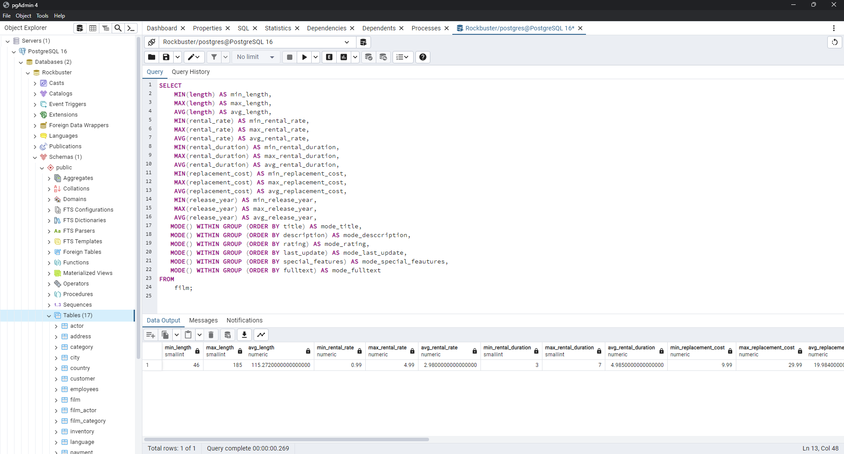
min_length | max_length | avg_length | min_rental_rate | max_rental_rate | avg_rental_rate | min_rental_duration | max_rental_duration | avg_rental_duration | min_replacement_cost | max_replacement_cost | avg_replacement_cost | min_release_year | max_release_year | avg_release_year | mode_title | mode_desccription | mode_rating | mode_last_update | mode_special_feautures | mode_fulltext
46 | 185 | 115.272 | 0.99 | 4.99 | 2.98 | 3 | 7 | 4.985 | 9.99 | 29.99 | 19.984 | 2006 | 2006 | 2006 | Academy Dinosaur | A Action-Packed Character Study of a Astronaut And a Explorer who must Reach a Monkey in A MySQL Convention | PG-13 | 5/26/13 | {Trailers,Commentaries,"Behind the Scenes"} | 'baloon':19 'confront':14 'documentari':5 'feminist':8,11,16 'mile':2 'must':13 'spi':1 'thrill':4

Customer Table Statistics
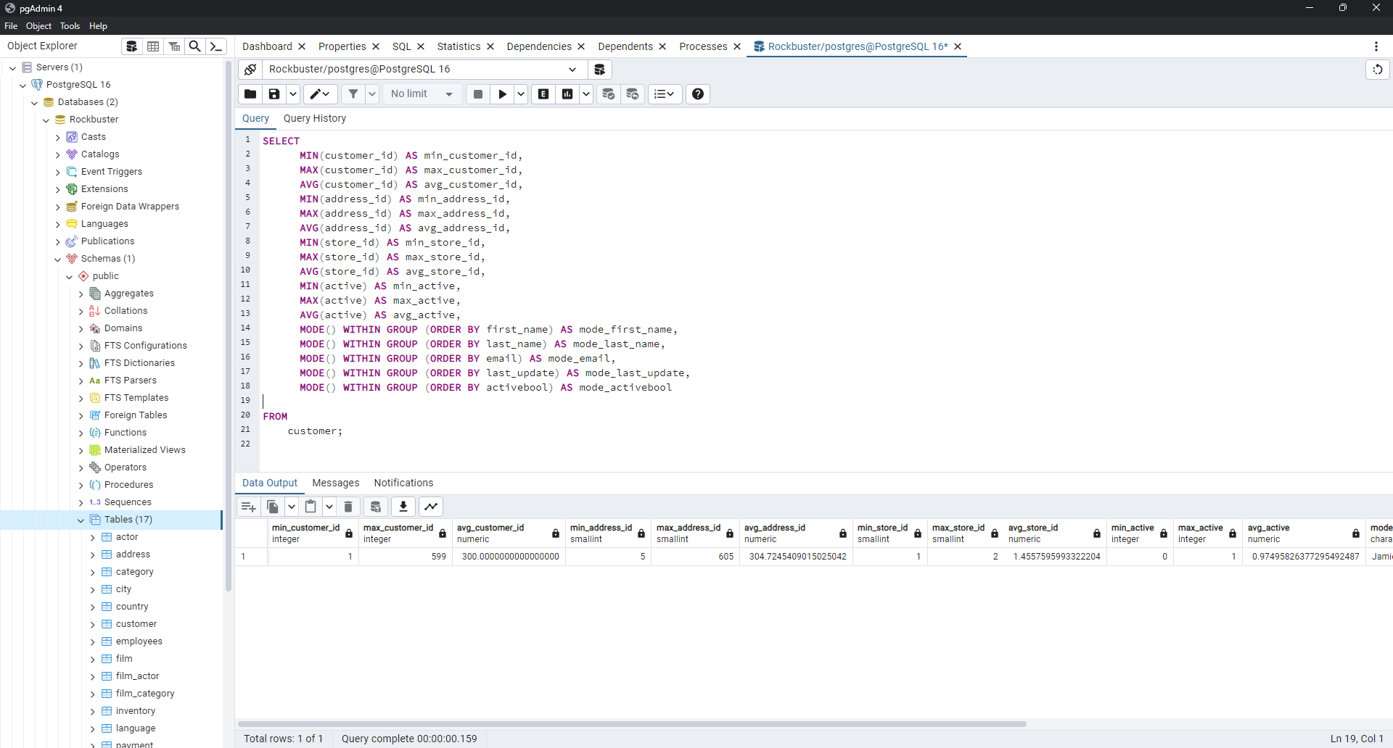
min_customer_id | max_customer_id | avg_customer_id | min_address_id | max_address_id | avg_address_id | min_store_id | max_store_id | avg_store_id | min_active | max_active | avg_active | mode_first_name | mode_last_name | mode_email | mode_last_update | mode_activebool
1 | 599 | 300 | 5 | 605 | 304.7245409 | 1 | 2 | 1.4557595993 | 0 | 1 | 0.97495826377 | Jamie | Abney | aaron.selby@sakilacustomer.org | 5/26/13 | TRUE

Top 10 Countries Customer Count
country | number_of_customers
India | 60
China | 53
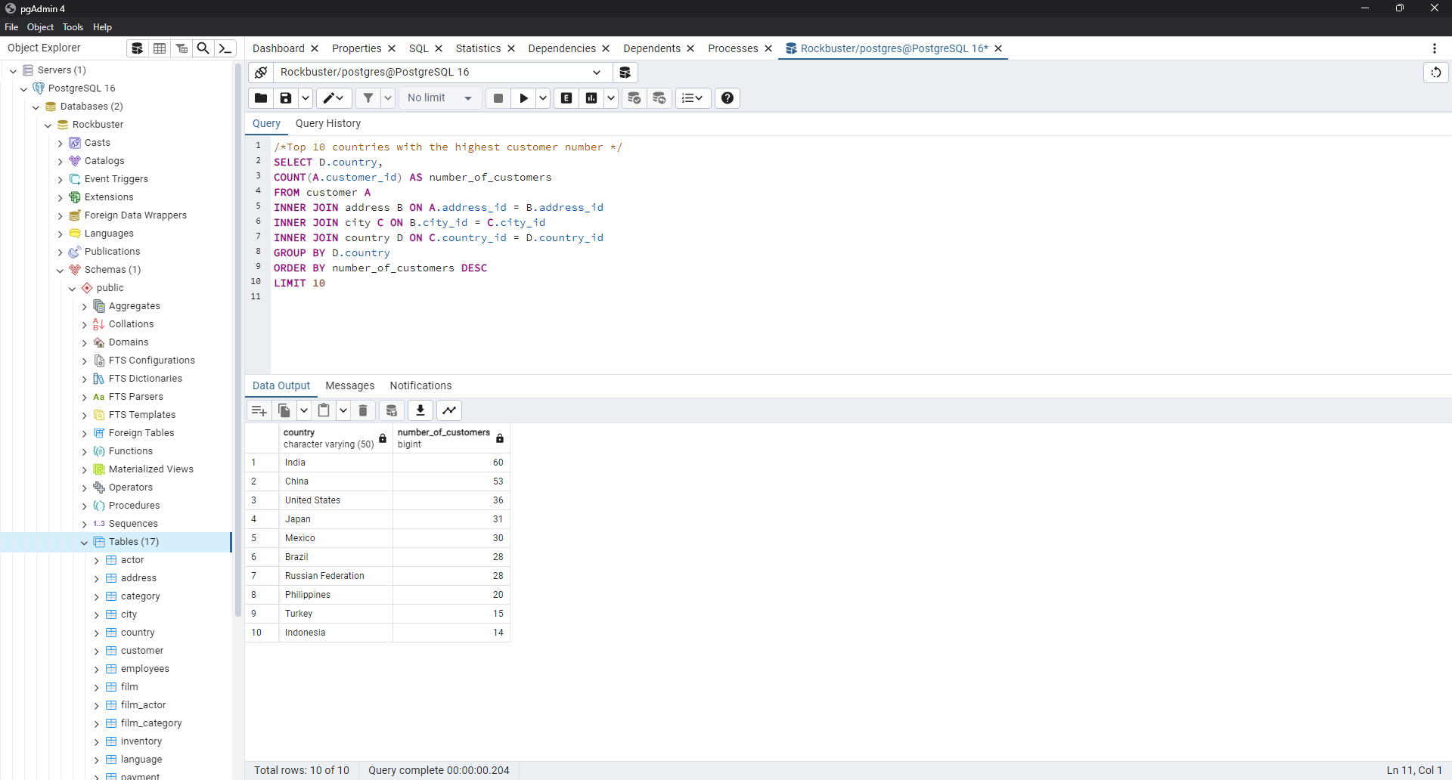
United States | 36
Japan | 31
Mexico | 30
Brazil | 28
Russian Federation | 28
Philippines | 20
Turkey | 15
Indonesia | 14

Top 10 cities Customer Count
country | city | number_of_customers
Bangladesh | Jamalpur | 1
Bangladesh | Tangail | 1
Cameroon | Bamenda | 1
Cameroon | Yaound | 1
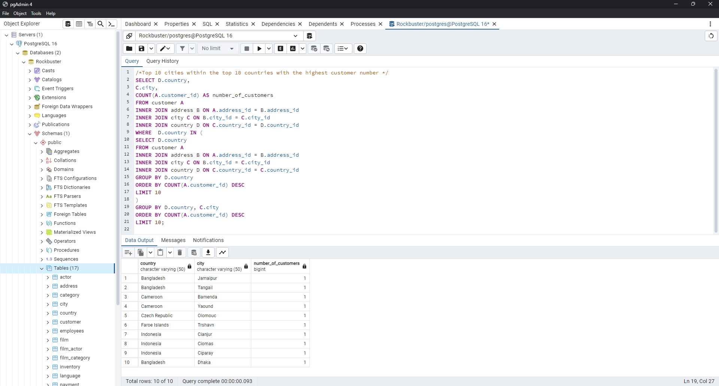
Czech Republic | Olomouc | 1
Faroe Islands | Trshavn | 1
Indonesia | Cianjur | 1
Indonesia | Ciomas | 1
Indonesia | Ciparay | 1
Bangladesh | Dhaka | 1

Top 10 Customers Paid
customer_id | first_name | last_name | country | city | total_amount_paid
225 | Arlene | Harvey | India | Ambattur | 111.76
424 | Kyle | Spurlock | China | Shanwei | 109.71
240 | Marlene | Welch | Japan | Iwaki | 106.77
486 | Glen | Talbert | Mexico | Acua | 100.77
537 | Clinton | Buford | United States | Aurora | 98.76
14 | Betty | White | United States | Citrus Heights | 96.77
443 | Francisco | Skidmore | Brazil | So Leopoldo | 93.79
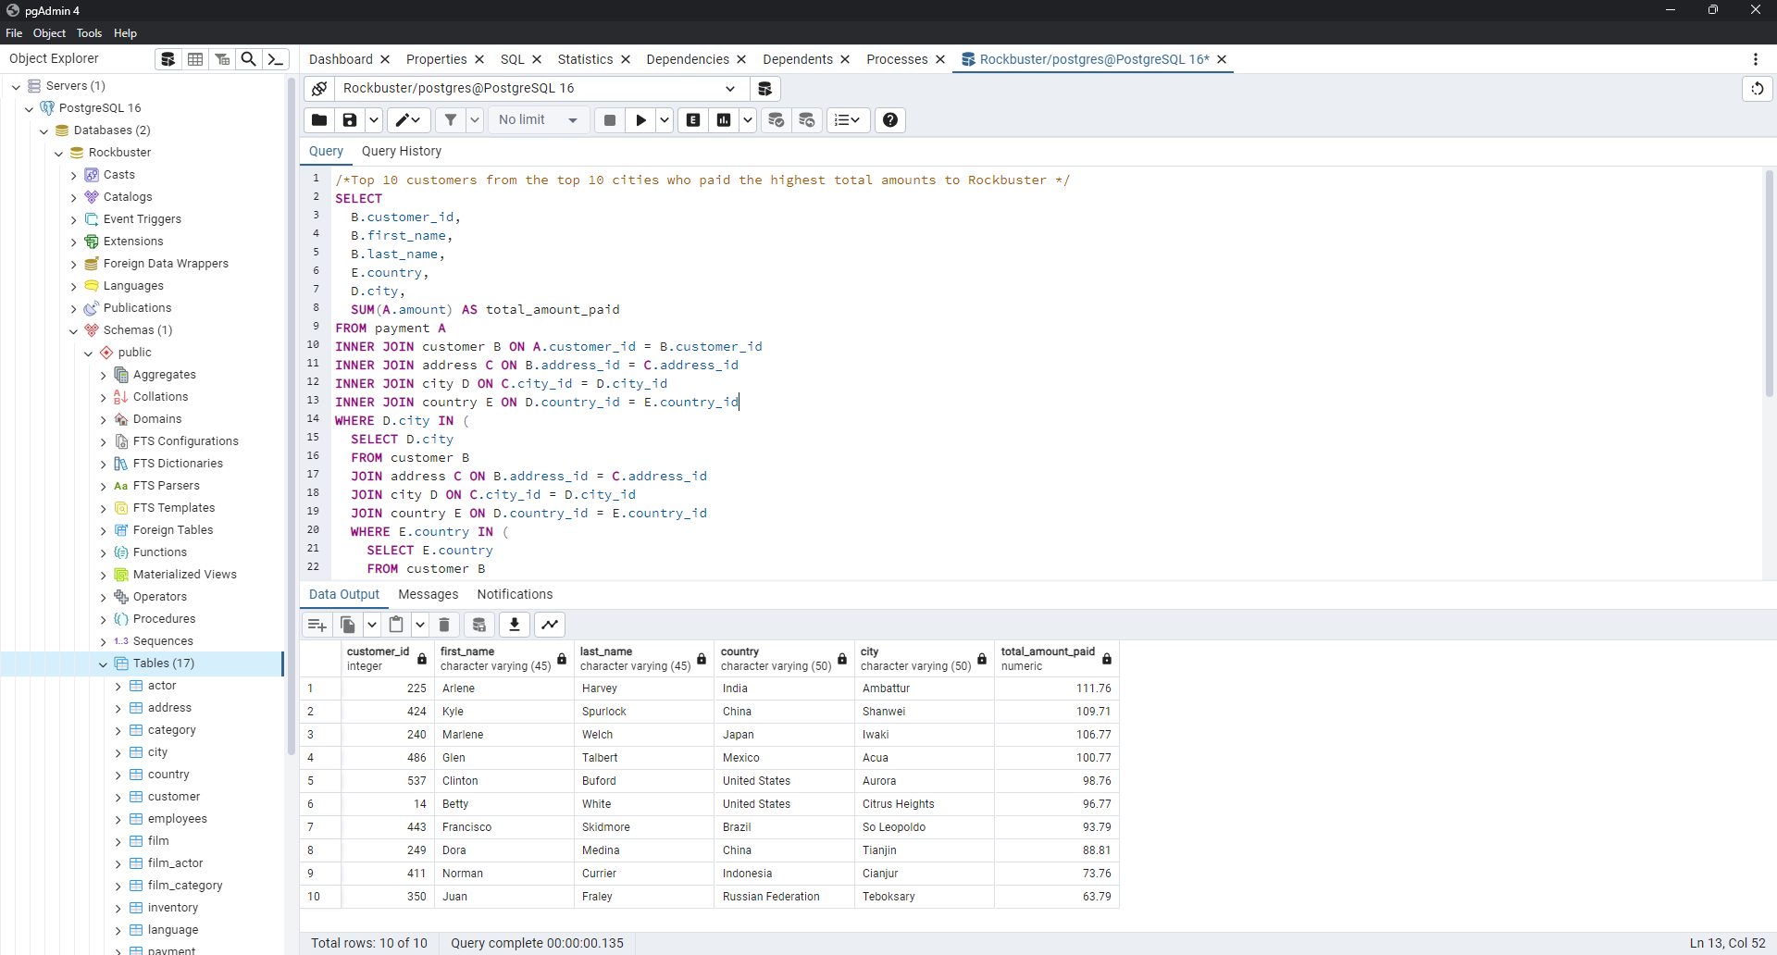
249 | Dora | Medina | China | Tianjin | 88.81
411 | Norman | Currier | Indonesia | Cianjur | 73.76
350 | Juan | Fraley | Russian Federation | Teboksary | 63.79

Rockbuster Total Sales By Count
country | total_sales
India | 6034.78
China | 5251.03
United States | 3685.31
Japan | 3122.51
Mexico | 2984.82
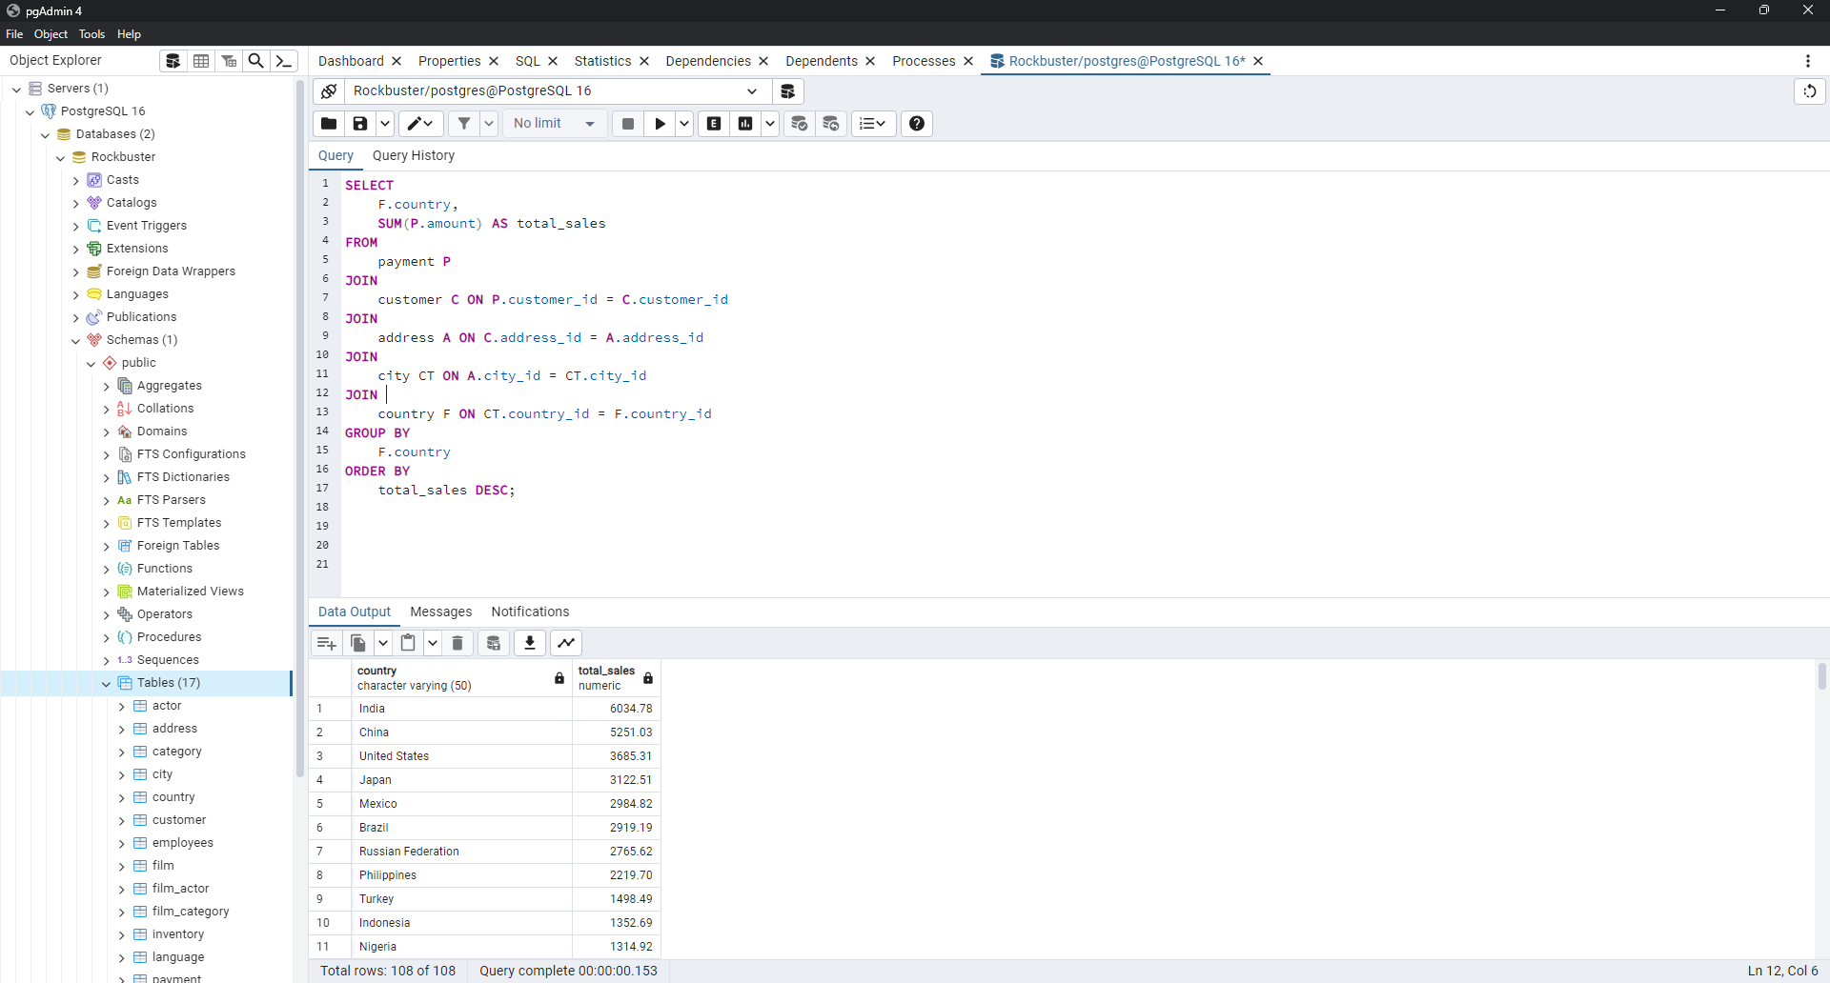
Brazil | 2919.19
Russian Federation | 2765.62
Philippines | 2219.7
Turkey | 1498.49
Indonesia | 1352.69
Nigeria | 1314.92
Argentina | 1298.8
Taiwan | 1155.1
South Africa | 1069.46
Iran | 877.96
United Kingdom | 850.96
Poland | 786.16
Italy | 753.26
Germany | 741.24
Vietnam | 676.45
Ukraine | 675.53
Colombia | 661.54
Egypt | 659.48
Venezuela | 632.43
Canada | 559.7
Netherlands | 557.73
South Korea | 527.77
Spain | 513.8
Yemen | 473.93
Pakistan | 473.84
Saudi Arabia | 452.94
Peru | 407.01
Thailand | 401.08
Israel | 379.13
Ecuador | 369.18
Bangladesh | 353.19
Algeria | 349.18
France | 334.12
Malaysia | 330.23
Tanzania | 322.22
Mozambique | 315.25
United Arab Emirates | 305.25
Dominican Republic | 304.26
Chile | 303.34
Austria | 284.3
Morocco | 274.35
Paraguay | 273.4
Belarus | 271.36
Latvia | 249.43
Switzerland | 248.41
Kenya | 245.49
Yugoslavia | 233.49
Puerto Rico | 224.48
Romania | 218.42
Runion | 211.55
French Polynesia | 205.52
Greece | 204.54
Sudan | 202.51
Azerbaijan | 198.53
Bulgaria | 194.52
Kazakstan | 192.51
Angola | 187.55
Cameroon | 186.49
Myanmar | 179.53
Cambodia | 179.51
Bolivia | 178.56
Congo, The Democratic Republic of the | 168.58
Oman | 161.56
Holy See (Vatican City State) | 146.68
Nauru | 143.7
Sweden | 139.67
Czech Republic | 132.72
Moldova | 127.66
Turkmenistan | 126.74
Chad | 122.72
Malawi | 121.73
Zambia | 121.7
Virgin Islands, U.S. | 121.69
Greenland | 119.72
Armenia | 118.75
Gambia | 114.73
Iraq | 111.73
Hungary | 111.71
Bahrain | 108.76
North Korea | 107.71
Brunei | 107.66
Kuwait | 106.75
Estonia | 105.72
Hong Kong | 104.76
Sri Lanka | 103.73
Liechtenstein | 99.74
Anguilla | 99.68
French Guiana | 97.8
Faroe Islands | 96.76
Senegal | 95.76
Nepal | 93.83
Tuvalu | 93.78
Madagascar | 92.79
Ethiopia | 91.77
New Zealand | 85.77
Slovakia | 80.77
Finland | 78.79
Tunisia | 73.78
Afghanistan | 67.82
Tonga | 64.84
Saint Vincent and the Grenadines | 64.82
Lithuania | 63.78
American Samoa | 47.85

Top Movie by Revenue
title | total_revenue | rental_duration
Telegraph Voyage | 215.75 | 3
Zorro Ark | 199.72 | 3
Wife Turn | 198.73 | 3
Innocent Usual | 191.74 | 3
Hustler Party | 190.78 | 3
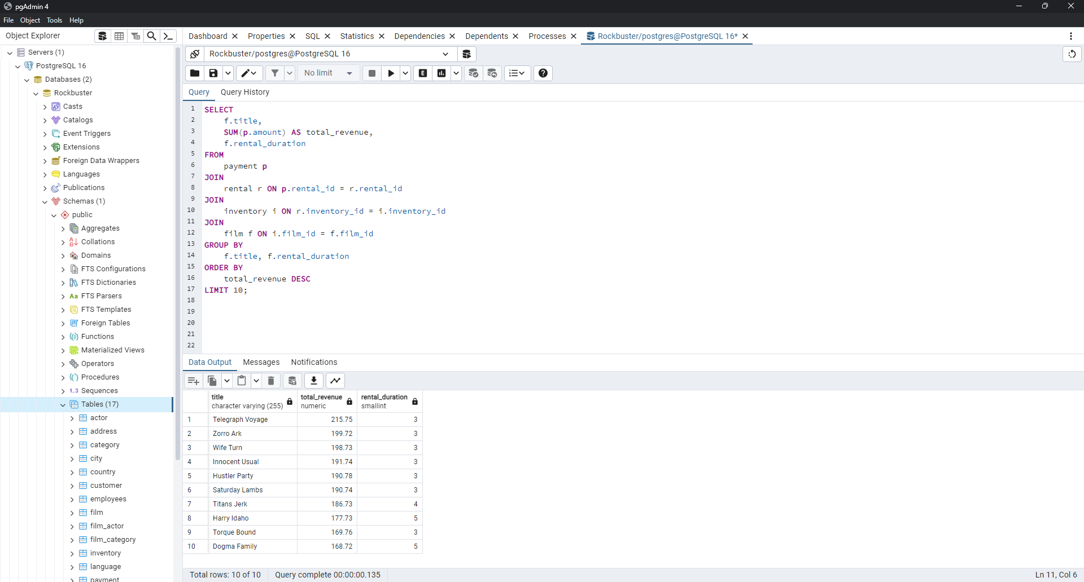
Saturday Lambs | 190.74 | 3
Titans Jerk | 186.73 | 4
Harry Idaho | 177.73 | 5
Torque Bound | 169.76 | 3
Dogma Family | 168.72 | 5

Movie Genres and Revenue
genre | total_revenue
Sports | 4892.19
Sci-Fi | 4336.01
Animation | 4245.31
Drama | 4118.46
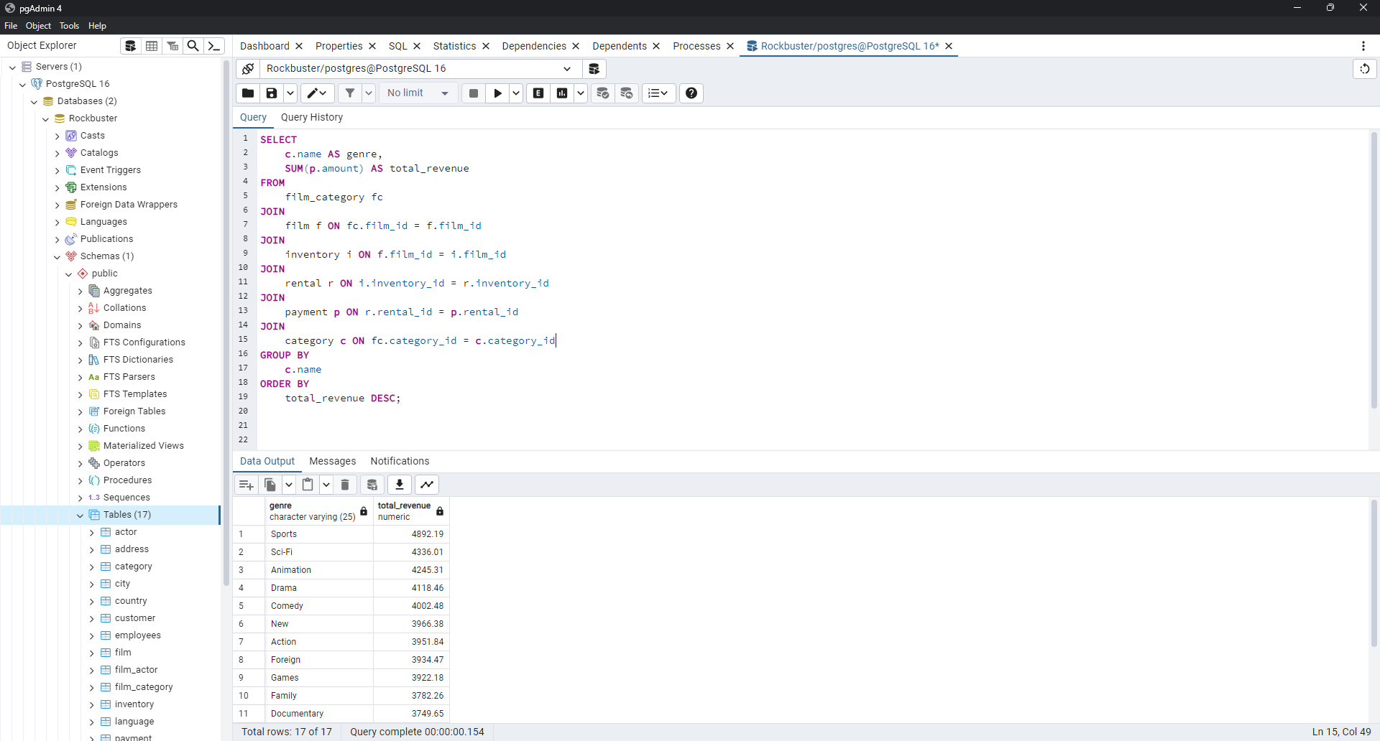
Comedy | 4002.48
New | 3966.38
Action | 3951.84
Foreign | 3934.47
Games | 3922.18
Family | 3782.26
Documentary | 3749.65
Horror | 3401.27
Classics | 3353.38
Children | 3309.39
Travel | 3227.36
Music | 3071.52
Thriller | 47.89

Top countries by revenue
country | customer_count | total_payment
India | 60 | 6034.78
China | 53 | 5251.03
United States | 36 | 3685.31
Japan | 31 | 3122.51
Mexico | 30 | 2984.82
Brazil | 28 | 2919.19
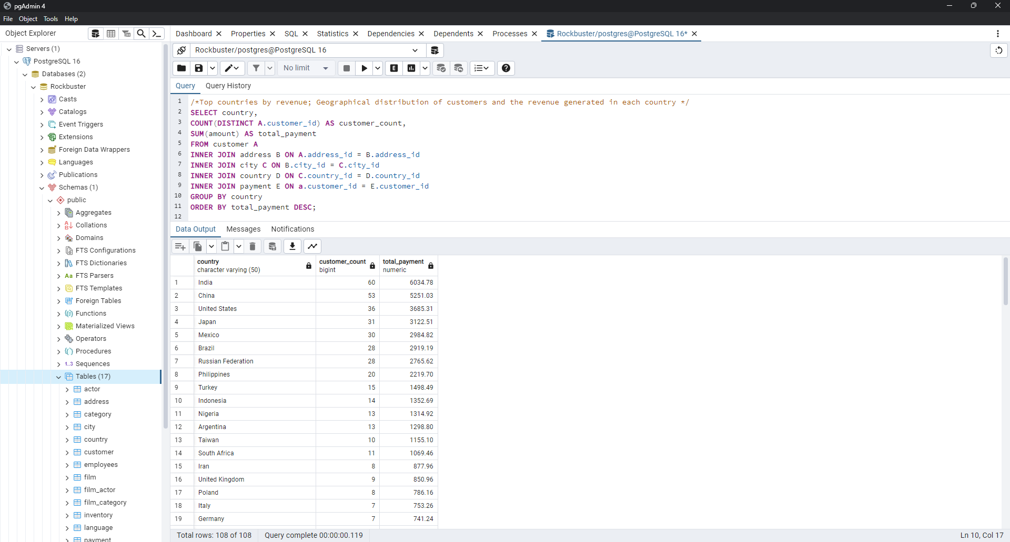
Russian Federation | 28 | 2765.62
Philippines | 20 | 2219.7
Turkey | 15 | 1498.49
Indonesia | 14 | 1352.69
Nigeria | 13 | 1314.92
Argentina | 13 | 1298.8
Taiwan | 10 | 1155.1
South Africa | 11 | 1069.46
Iran | 8 | 877.96
United Kingdom | 9 | 850.96
Poland | 8 | 786.16
Italy | 7 | 753.26
Germany | 7 | 741.24
Vietnam | 6 | 676.45
Ukraine | 6 | 675.53
Colombia | 6 | 661.54
Egypt | 6 | 659.48
Venezuela | 7 | 632.43
Canada | 5 | 559.7
Netherlands | 5 | 557.73
South Korea | 5 | 527.77
Spain | 5 | 513.8
Yemen | 4 | 473.93
Pakistan | 5 | 473.84
Saudi Arabia | 5 | 452.94
Peru | 4 | 407.01
Thailand | 3 | 401.08
Israel | 4 | 379.13
Ecuador | 3 | 369.18
Bangladesh | 3 | 353.19
Algeria | 3 | 349.18
France | 4 | 334.12
Malaysia | 3 | 330.23
Tanzania | 3 | 322.22
Mozambique | 3 | 315.25
United Arab Emirates | 3 | 305.25
Dominican Republic | 3 | 304.26
Chile | 3 | 303.34
Austria | 3 | 284.3
Morocco | 3 | 274.35
Paraguay | 3 | 273.4
Belarus | 2 | 271.36
Latvia | 2 | 249.43
Switzerland | 3 | 248.41
Kenya | 2 | 245.49
Yugoslavia | 2 | 233.49
Puerto Rico | 2 | 224.48
Romania | 2 | 218.42
Runion | 1 | 211.55
French Polynesia | 2 | 205.52
Greece | 2 | 204.54
Sudan | 2 | 202.51
Azerbaijan | 2 | 198.53
Bulgaria | 2 | 194.52
Kazakstan | 2 | 192.51
Angola | 2 | 187.55
Cameroon | 2 | 186.49
Myanmar | 2 | 179.53
Cambodia | 2 | 179.51
Bolivia | 2 | 178.56
Congo, The Democratic Republic of the | 2 | 168.58
Oman | 2 | 161.56
Holy See (Vatican City State) | 1 | 146.68
Nauru | 1 | 143.7
Sweden | 1 | 139.67
Czech Republic | 1 | 132.72
Moldova | 1 | 127.66
Turkmenistan | 1 | 126.74
Chad | 1 | 122.72
Malawi | 1 | 121.73
Zambia | 1 | 121.7
Virgin Islands, U.S. | 1 | 121.69
Greenland | 1 | 119.72
Armenia | 1 | 118.75
Gambia | 1 | 114.73
Iraq | 1 | 111.73
Hungary | 1 | 111.71
Bahrain | 1 | 108.76
North Korea | 1 | 107.71
Brunei | 1 | 107.66
Kuwait | 1 | 106.75
Estonia | 1 | 105.72
Hong Kong | 1 | 104.76
Sri Lanka | 1 | 103.73
Liechtenstein | 1 | 99.74
Anguilla | 1 | 99.68
French Guiana | 1 | 97.8
Faroe Islands | 1 | 96.76
Senegal | 1 | 95.76
Nepal | 1 | 93.83
Tuvalu | 1 | 93.78
Madagascar | 1 | 92.79
Ethiopia | 1 | 91.77
New Zealand | 1 | 85.77
Slovakia | 1 | 80.77
Finland | 1 | 78.79
Tunisia | 1 | 73.78
Afghanistan | 1 | 67.82
Tonga | 1 | 64.84
Saint Vincent and the Grenadines | 1 | 64.82
Lithuania | 1 | 63.78
American Samoa | 1 | 47.85

